1.Scikit Version->1.5 Update
(1.5) NEW VERSION UPDATE ON SCIKIT LEARN |  | REFERENCE

»Various Update on Scikit Learn According to Chat Gpt

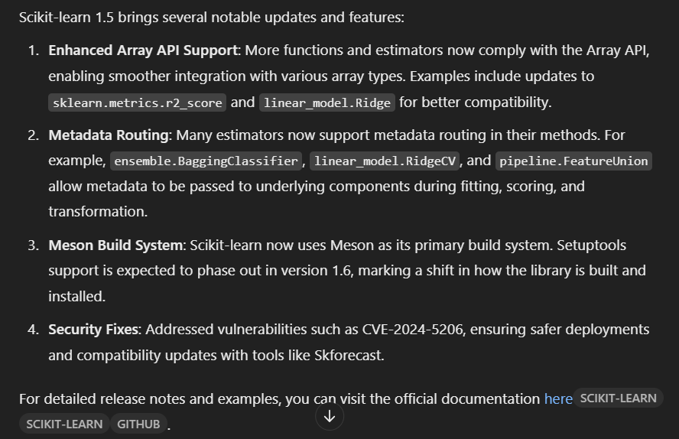 | 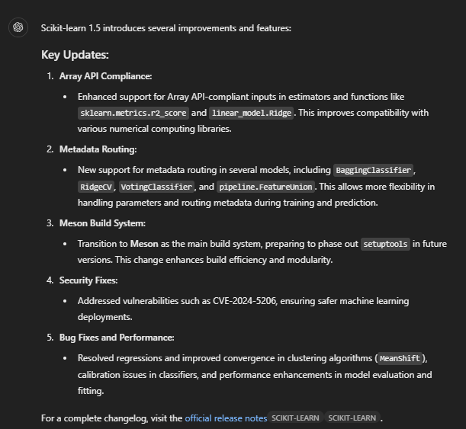

»REFERENCE FOR YOU TUBE VIDEOS FOR NEW SCIKIT LEARN 'S UPCOMING HIGHLIGHTS

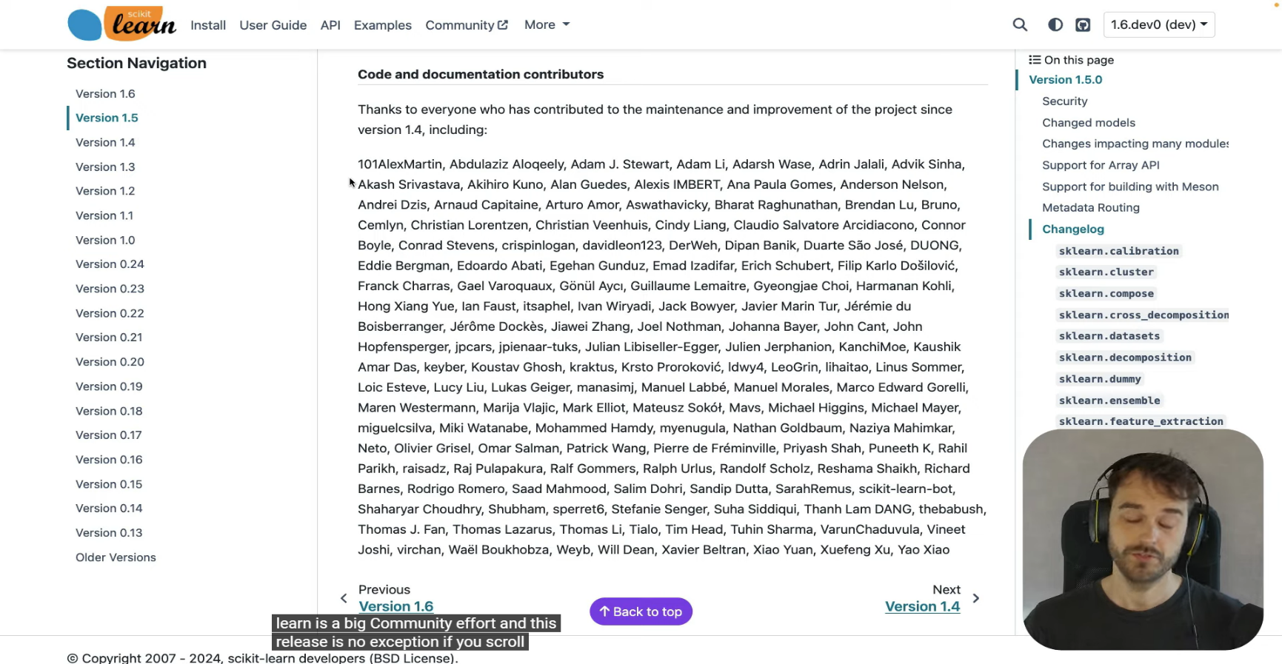 |  | ⇰REFERENCE (You Tube)-->You Tube (Scikit Learn) Regarding Conceptual Understanding of Newest Version Scikit Learn (1.5)

1.scikit->make_classification
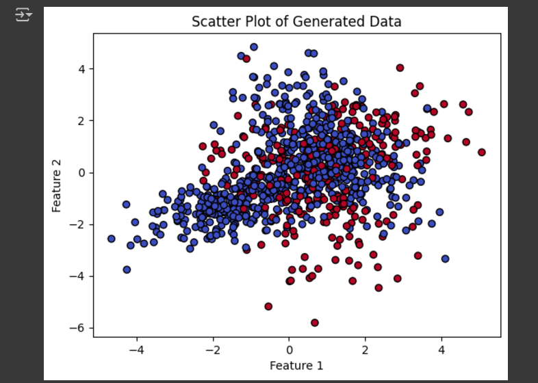
Scikit Learn ⇒make_classification |  | REFERENCE

⇰Snapshot of Scikit Learn make_classification |  | ⇰REFERENCE (Website)-->Scikitlearn Regarding Scikit Learn's Module Creation⇒make_classification

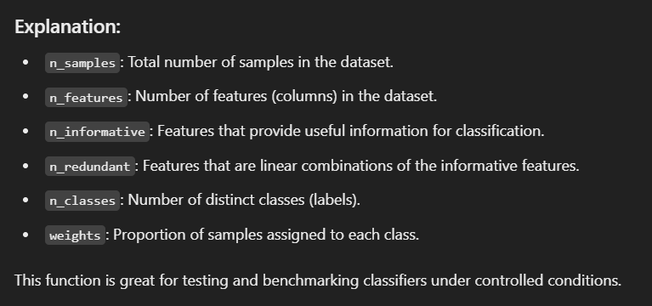 | 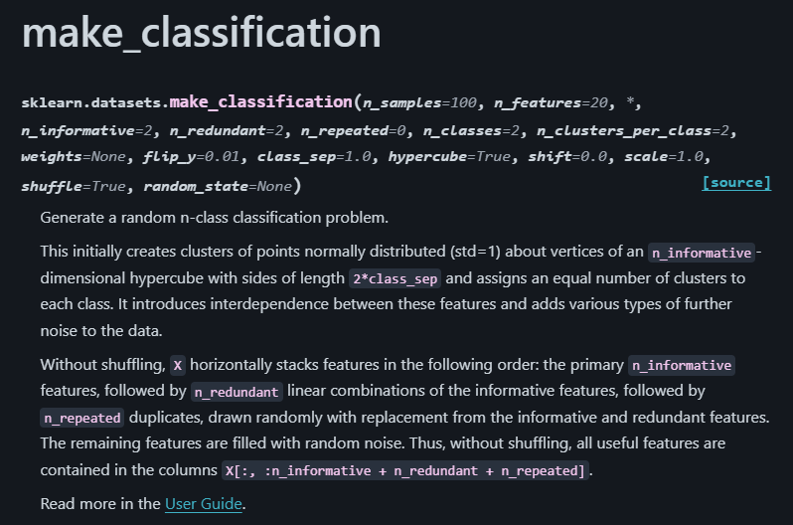

⇒The make_classification function in Scikit-learn is a tool for creating a fake randomized computer generated dataset to test classification algorithms. It simulates data that looks like what you'd use in a real-world problem, but it’s generated entirely by the computer.

»Key Concepts: ❶Samples and Features: ①You can specify how many rows (n_samples) and columns (n_features) of data you want. ②Columns represent the "variables" or "inputs" of your dataset. ❷Informative and Redundant Features: ①Informative features: The ones that truly help classify the data into categories. ②Redundant features: Made by combining or modifying informative features, adding complexity. ❸Classes: ①You decide how many groups (or categories) the data should have, e.g., binary classification (2 classes) or multiclass (more than 2).

❹Weights: ①You control how balanced the classes are. For example, a 70%-30% distribution between two classes can mimic an imbalanced dataset like fraud detection. ❺Randomness: ①It lets you add randomness, ensuring you can get a unique dataset every time or reproduce the same dataset with a random_state.

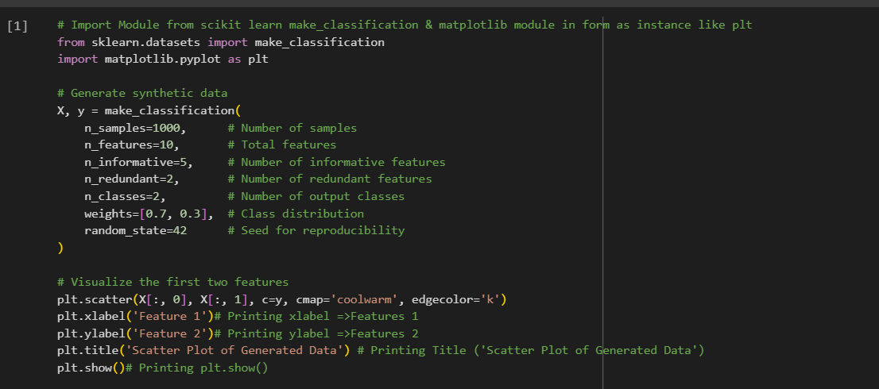 |  | ⇰REFERENCE (Website)-->Scikit Learn Regarding Conceptual Understanding of Scikitlearn make_classification

